Entrada de dados
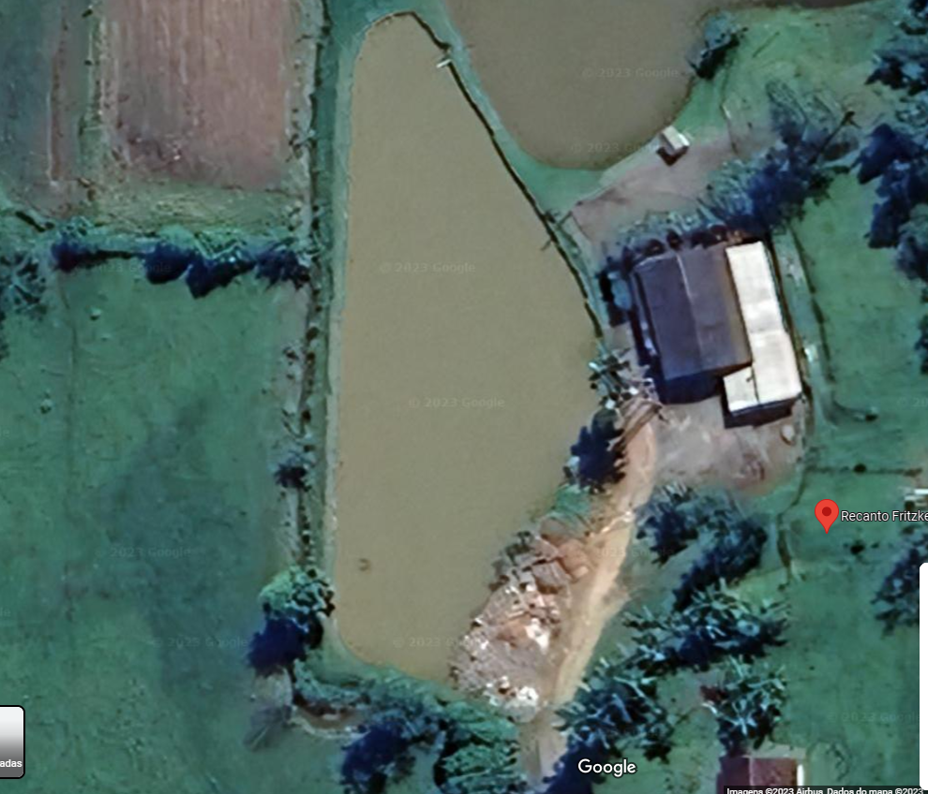
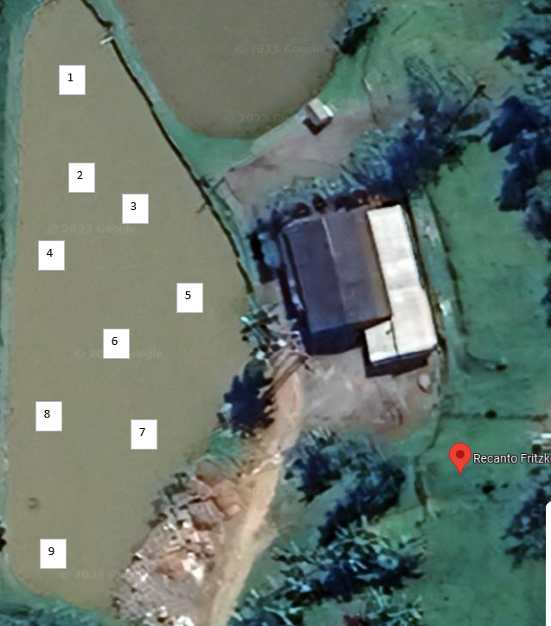
1 | -26.7483478517269, -49.09156392410612
2 | -26.748476178113833, -49.091550367130786
3 | -26.74853792000308, -49.09146631388373
1
4 | -26.748600872483085, -49.091599172241985
5 | -26.748650508067755, -49.091379549241616
6 | -26.748727987961463, -49.09146766958127
7 | -26.748845418324695, -49.09145546830347
8 | -26.748817574022738, -49.091588326661714
9 | -26.749014905232993, -49.09158561526665
2

3
4
5 | -26.7486505 | -49.0913795
6 | -26.7487280 | -49.0914677
3 | -26.7485379 | -49.0914663
2 | -26.7484762 | -49.0915504
5
8 | -26.7488176 | -49.0915883
1 | -26.7483479 | -49.0915639
2 | -26.7484762 | -49.0915504
6

8
7

9

